Debonairs
 |  |  |  |  |  | Jan-26
SITE NAME: | Ithonka | INVOICING DETAILS (COMPANY NAME):
SITE ADDRESS: |  | VAT NO:
SITE CONTACT PERSON: |  | REGISTRATION NUMBER:
CONTACT NUMBER: |  | EMAIL ADDRESS:
ITEM CODE | ITEM DESCRIPTION | IMAGE | ORDER QUANTITY | UNIT SELLING PRICE - Catercare Equipment | NETT SELLING PRICE - Catercare Equipment | COMMENTS
WFS0001 | WET FLOOR SIGN |  | 1 | R125.00 | R125.00
FC20WT | WATER CONTAINER 20LT WITH TAPS | 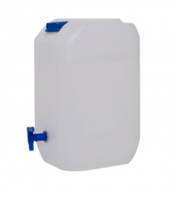 | 1 | R89.00 | R89.00
MANUFACTURE | GRILL BRUSH FINE |  | 1 | R650.00 | R650.00
CADAC-20 | GRILL BRUSH COARSE |  | 1 | R120.00 | R120.00
SKU81451294 | BROOM SOFT |  | 1 | R63.00 | R63.00
10482714 | NAIL BRUSH |  | 2 | R16.00 | R32.00
ITEM CODE | ITEM DESCRIPTION | IMAGE | ORDER QUANTITY | UNIT SELLING PRICE - Catercare Equipment | NETT SELLING PRICE - Catercare Equipment | COMMENTS
555607 | DECK SCRUBBER |  | 1 | R89.00 | R89.00
PBW-2030 | DOUBLE BUCKET TROLLEY AND WRINGER COMPLETE |  | 1 | R1,943.50 | R1,943.50
MHA0400 | MOP ROUND 300GR STEEL HANDLE |  | 2 | R139.00 | R278.00
MHA1400 | MOP ROUND 300GR HEAD ONLY |  | 2 | R38.00 | R76.00
PPB-0087 | RECTANGULAR PEDAL BIN 87LT (OFFERED 90LTS) |  | 1 | R870.00 | R870.00
DB-0240-BK-OD-B | MOBILE REFUSE BIN 240LT - CHARCOAL (GENERAL WASTE) | 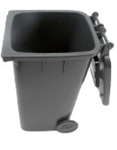 | 1 | R1,080.00 | R1,080.00
ETI-231-217 | THERMOMETER THERMAPEN | 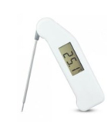 | 2 | R2,450.00 | R4,900.00
EKT-0001 | ELECTRONIC KITCHEN TIMER | 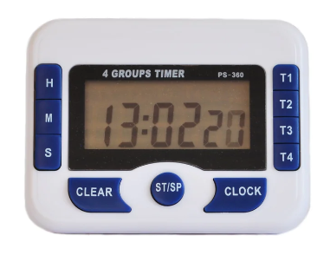 | 1 | R135.00 | R135.00
SSS0001 | S/STEEL SALT SHAKER WITH HANDLE |  | 4 | R48.00 | R192.00
ITEM CODE | ITEM DESCRIPTION | IMAGE | ORDER QUANTITY | UNIT SELLING PRICE - Catercare Equipment | NETT SELLING PRICE - Catercare Equipment | COMMENTS
ARP-0600 | ROLLING PIN ALUMINIUM – 380MM |  | 1 | R694.00 | R694.00
DSP-0150 | DOUGH CUTTER PLASTIC HANDLE |  | 2 | R95.00 | R190.00
PRC-0001 | PIZZA ROCKER BLADE PLASTIC HANDLES |  | 1 | R163.00 | R163.00
SRP0001 | SPIKE ROLLER PLASTIC - 120 x 206MM | 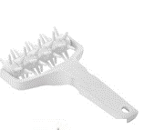 | 3 | R55.00 | R165.00
ITEM CODE | ITEM DESCRIPTION | IMAGE | ORDER QUANTITY | UNIT SELLING PRICE - Catercare Equipment | NETT SELLING PRICE - Catercare Equipment | COMMENTS
CBG-0500 | CUTTING BOARD PE 500 X 350 X 10MM GREEN (SIZE DIFFERS 500 X 350 X 10MM) | 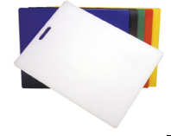 | 1 | R150.00 | R150.00
CBR-0500 | CUTTING BOARD PE 500 X 350 X 10MM RED (SIZE DIFFERS 500 X 350 X 10MM) |  | 1 | R150.00 | R150.00
CBN-0500 | CUTTING BOARD PE 500X380X13MM BROWN |  | 1 | R150.00 | R150.00
CBW-0500 | CUTTING BOARD PE 500X380X13MM WHITE |  | 1 | R150.00 | R150.00
CBS0006 | CUTTING BOARD STAND - CHROME | 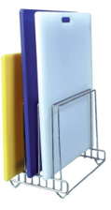 | 1 | R398.00 | R398.00
BBS-0270-RE | SILICONE BASTING BRUSH RED (35mm) |  | 4 | R62.00 | R248.00
SSP-0250 | SPATULA SILICON - RED PLASTIC HANDLE - 250MM |  | 2 | R46.00 | R92.00
PCS-0003 | PORTION SERVER SOLID - IVORY 89ML | 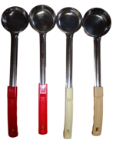 | 2 | R57.32 | ON HOLD | STOCK AT FB DISTRIBUTION CENTRE
N/A | PORTION SERVER SOLID – RED 89ML |  | 2 | R57.32 | ON HOLD | STOCK AT FB DISTRIBUTION CENTRE
N/A | PORTION SERVER SOLID - IVORY 59ML |  | 2 | R55.00 | ON HOLD | STOCK AT FB DISTRIBUTION CENTRE
PCS-0002 | PORTION SERVER SOLID - RED 59ML |  | 2 | R55.00 | ON HOLD | STOCK AT FB DISTRIBUTION CENTRE
PCS-0001 | PORTION SERVER SOLID-YELLOW 30ML |  | 2 | R51.00 | ON HOLD | STOCK AT FB DISTRIBUTION CENTRE
SPECIAL | PIZZA CUTTER BLACK PLASTIC HANDLE | 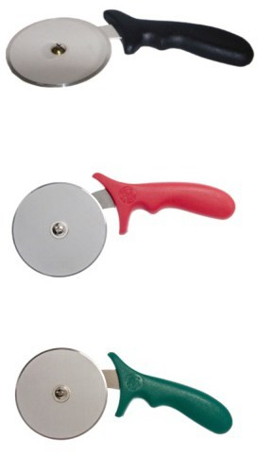 | 2 | R71.00 | R142.00
SPECIAL | PIZZA CUTTER GREEN PLASTIC HANDLE |  | 2 | R71.00 | R142.00
SPECIAL | PIZZA CUTTER - RED PLASTIC HANDLE |  | 2 | R71.00 | R142.00
SPECIAL | PIZZA CUTTER - YELLOW PLASTIC HANDLE |  | 2 | R71.00 | R142.00
ITEM CODE | ITEM DESCRIPTION | IMAGE | ORDER QUANTITY | UNIT SELLING PRICE - Catercare Equipment | NETT SELLING PRICE - Catercare Equipment | COMMENTS
KCO-0200 | KNIFE GRUNTER - COOKS 200MM | 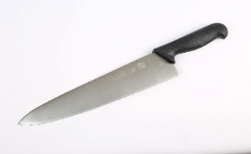 | 2 | R221.00 | R442.00
HTP0200 | H/BURGER TURNER PERFORATED - PVC - 200MM |  | 4 | R80.00 | R320.00
FACTORY | PIZZA SHOVEL SHORT HANDLE STAINLESS STEEL | 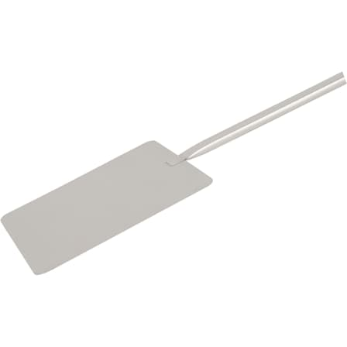 | 1 | R487.00 | R487.00
DT-W | DOUGH TRAY WHITE | 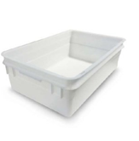 | 60 | R474.00 | R28,440.00
DT-R | DOUGH TRAY RED |  | 8 | R474.00 | R3,792.00
DT-G | DOUGH TRAY GREEN |  | 4 | R474.00 | R1,896.00
DT-Y | DOUGH TRAY YELLOW |  | 3 | R474.00 | R1,422.00
INCL IN ABOVE | DOUGH TRAY LID WHITE | 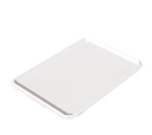 | 20 | INCL IN ABOVE | INCL IN ABOVE
INCL IN ABOVE | DOUGH TRAY LID RED |  | 8 | INCL IN ABOVE | INCL IN ABOVE
INCL IN ABOVE | DOUGH TRAY LID GREEN |  | 4 | INCL IN ABOVE | INCL IN ABOVE
INCL IN ABOVE | DOUGH TRAY LID YELLOW |  | 3 | INCL IN ABOVE | INCL IN ABOVE
ITEM CODE | ITEM DESCRIPTION | IMAGE | ORDER QUANTITY | UNIT SELLING PRICE - Catercare Equipment | NETT SELLING PRICE - Catercare Equipment | COMMENTS
PGS0195 | DEEP PAN GRIPPER |  | 1 | R72.00 | R72.00
SPECIAL | DEEP PAN 19CM | 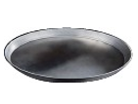 | 10 | R50.00 | ON HOLD | STOCK AT FB DISTRIBUTION CENTRE
SPECIAL | DEEP PAN 30CM DEBONAIRS - DEVIATION 325MM |  | 10 | R93.00 | ON HOLD | STOCK AT FB DISTRIBUTION CENTRE
SPECIAL | DOUGH TRAY DOLLEY |  | 4 | R2,160.00 | R8,640.00
WS-30 | SCALE 30KG WS-30 (ADAMS) |  | 2 | R1,980.00 | R3,960.00
PCPS0380 | PIZZA SCREEN - 380MM PER PACK OF 10 | 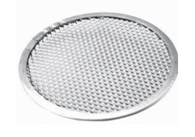 | 2 | R988.00 | ON HOLD | STOCK AT FB DISTRIBUTION CENTRE
330 | PIZZA SCREEN - 330MM PER PACK OF 10 | 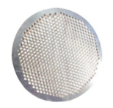 | 2 | R707.00 | ON HOLD | STOCK AT FB DISTRIBUTION CENTRE
300 | PIZZA SCREEN 300MM PER PACK OF 10 |  | 3 | R611.30 | ON HOLD | STOCK AT FB DISTRIBUTION CENTRE
230 | PIZZA SCREEN 230MM PER PACK OF 10 | 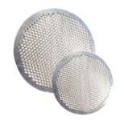 | 7 | R406.10 | ON HOLD | STOCK AT FB DISTRIBUTION CENTRE
190 | PIZZA SCREEN 190MM PER PACK OF 10 |  | 3 | R286.20 | ON HOLD | STOCK AT FB DISTRIBUTION CENTRE
150 | PIZZA SCREEN 150MM PER PACK OF 10 |  | 4 | R207.30 | ON HOLD | STOCK AT FB DISTRIBUTION CENTRE
ITEM CODE | ITEM DESCRIPTION | IMAGE | ORDER QUANTITY | UNIT SELLING PRICE - Catercare Equipment | NETT SELLING PRICE - Catercare Equipment | COMMENTS
GN1/2-150-PC (INH4150-C) | FOOD PAN 1/2 X6 POLYCARB | 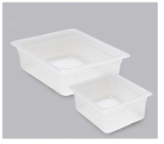 | 8 | R331.00 | R2,648.00
GN1/3-150-PC-(INT5063-C) | FOOD PAN 1/3 X6 POLYCARB |  | 12 | R250.00 | R3,000.00
GN1/6-150-PC (INTS4150-C) | FOOD PAN 1/6 X6 POLYCARB |  | 12 | R175.00 | R2,100.00
GN1/2-LID-PC (INH4004-C) | GN 1/2 LID CLEAR POLYCARB |  | 12 | R143.00 | R1,716.00
GN1/3-150-PC (INT4004-C) | GN 1/3 LID CLEAR POLYCARB |  | 12 | R106.00 | R1,272.00
GN1/6-150-PC (INS4004-C) | GN 1/6 LID CLEAR POLYCARB |  | 12 | R84.00 | R1,008.00
MANUFACTURE | INSERT HOLDER 6 X SIXTH INSERT |  | 1 | R2,125.00 | R2,125.00
CFP0150 | CAMWEAR COLDFEST FREEZER PAN SIXTH SIZE 150MM |  | 3 | R665.00 | R1,995.00
SPECIAL | TOPPING CUP LARGE DEB |  | 3 | R39.00 | ON HOLD | STOCK AT HEAD OFFICE
SPECIAL | TOPPING CUP CHEESE LARGE DEB |  | 3 | R39.00 | ON HOLD | STOCK AT HEAD OFFICE
SPECIAL | TOPPING CUP REGULAR DEB |  | 3 | R38.00 | ON HOLD | STOCK AT HEAD OFFICE
ITEM CODE | ITEM DESCRIPTION | IMAGE | ORDER QUANTITY | UNIT SELLING PRICE - Catercare Equipment | NETT SELLING PRICE - Catercare Equipment | COMMENTS
SPECIAL | TOPPING CUP CHEESE REGULAR DEB |  | 3 | R38.00 | ON HOLD | STOCK AT HEAD OFFICE
SPECIAL | TOPPING CUP REAL DEAL DEB |  | 3 | R36.00 | ON HOLD | STOCK AT HEAD OFFICE
SPECIAL | TOPPING CUP REAL DEAL DEB CHEESE |  | 3 | R33.00 | ON HOLD | STOCK AT HEAD OFFICE
BF-001 | BILL FOLDER DEBONAIRS | 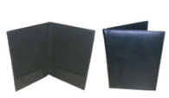 | 6 | R220.00 | R1,320.00
IBP0085 | INGREDIENT BIN 85LT (WHITE) | 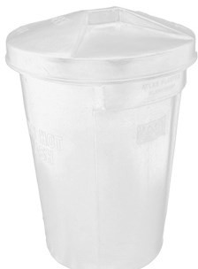 | 2 | R562.00 | R1,124.00
MANUFACTURE | INGREDIENT BIN MOBILE DOLLEY (METAL) |  | 2 | R532.00 | R1,064.00
ITEM CODE | ITEM DESCRIPTION | IMAGE | ORDER QUANTITY | UNIT SELLING PRICE - Catercare Equipment | NETT SELLING PRICE - Catercare Equipment | COMMENTS
JS-K002 | S/STEEL TABLE FORK |  | 12 | R5.00 | R60.00
JS-K001 | S/STEEL KNIFE |  | 12 | R11.00 | R132.00
JS-K003 | S/STEEL TABLE SPOON |  | 12 | R5.00 | R60.00
JS-K004 | S/STEEL TEASPOON |  | 12 | R3.00 | R36.00
KPA-0100 | PARING KNIFE -100MM |  | 1 | R76.00 | R76.00
MANUFACTURE | SUB LOAF TROLLEY | 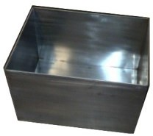 | 3 | 4600.00 | R13,800.00
COT-0001 | CAN OPENER TABLE MOUNTED | 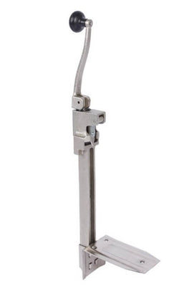 | 1 | R1,189.00 | R1,189.00
ITEM CODE | ITEM DESCRIPTION | IMAGE | ORDER QUANTITY | UNIT SELLING PRICE - Catercare Equipment | NETT SELLING PRICE - Catercare Equipment | COMMENTS
CLS0260 | COLANDER 260MM | 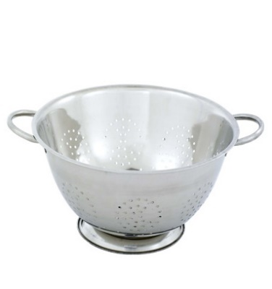 | 1 | R91.00 | R91.00
TTR3314 | SERVICE TRAY - MEDIUM | 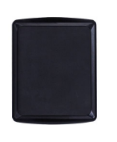 | 3 | R244.00 | R732.00
MJP-2000 | 2LT PLASTIC JUG | 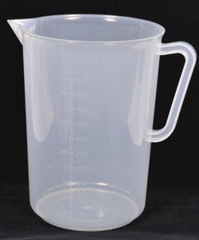 | 1 | R119.00 | R119.00
9603ST | BUCKET 12LT | 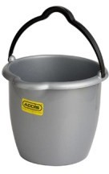 | 2 | R51.00 | R102.00
GN1/2-150-PC (INH4150-C) | FOOD PAN 1/2 X6 POLYCARB | 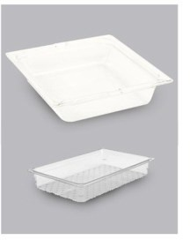 | 2 | R331.00 | R662.00
 |  | DELIVERY PRICE |  |  | TBA
 |  | SUB- TOTAL |  |  | R99,662.50
 |  | 15% VAT |  |  | R14,949.38
 |  | NETT TOTAL |  |  | R114,611.88

* NB* ELIVERY TO SITE CAN ONLY BE CALCULATED ONCE THE VOLUME OF THE ORDER HAS BEEN CONFIRMED

